Sheet 1
9
 |  |  |  |  | x-Axis= Independant Variable | y-Axis = Dependant Variable

 |  | Linear Regression =

Hypothesis 1 :

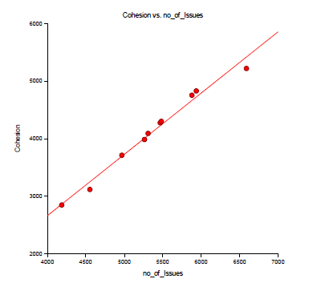
S No. | Name of Package | value of R-Squared | Graph | statistical significance
1 | HDFS Project | 0.9828 |  | This is a strong positive correlation between cohesion and no of issues as the value for R-Squared is 0.9828 . A significance test that the slope is zero resulted in a t-value of 21.4064. The significance level of this t-test is 0.0000. Since 0.0000 < 0.0500, thus, the hypothesis that the slope is zero is rejected.

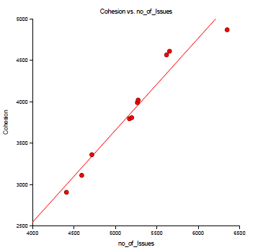
2 | Common Project | 0.9443 |  | This is a strong positive correlation between cohesion and no of issues as the value for R-Squared is 0.9443 . A significance test that the slope is zero resulted in a t-value of 11.6465. The significance level of this t-test is 0.0000. Since 0.0000 < 0.0500, thus, the hypothesis that the slope is zero is rejected.

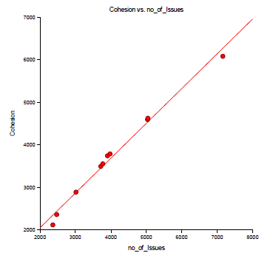
3 | -yarn-project | 0.9886 |  | This is a strong positive correlation between cohesion and no of issues as the value for R-Squared is 0.9886. A significance test that the slope is zero resulted in a t-value of 26.2881. The significance level of this t-test is 0.0000. Since 0.0000 < 0.0500, thus, the hypothesis that the slope is zero is rejected.

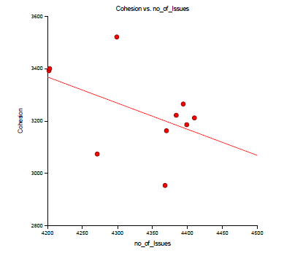
4 | -mapreduce | 0.2334 |  | This is a weak negative correlation(the nearer the value is to zero, the weaker the relationship) between cohesion and no of issues as the value for R-Squared is 0.2334. A significance test that the slope is zero resulted in a t-value of -1.5607. The significance level of this t-test is 0.1572. Since 0.1572 > 0.0500, thus, the hypothesis that the slope is zero is not rejected.

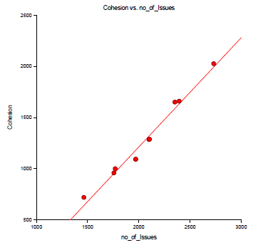
5 | Tools | 0.9778 |  | This is a strong positive correlation between cohesion and no of issues as the value for R-Squared is 0.9778. A significance test that the slope is zero resulted in a t-value of 18.7794. The significance level of this t-test is 0.0000. Since 0.0000 < 0.0500, thus, the hypothesis that the slope is zero is rejected.

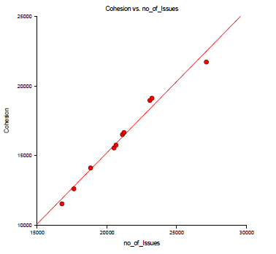
6 | Overall Project(Version Level) | 0.9811 |  | This is a strong positive correlation between cohesion and no of issues as the value for R-Squared is 0.9811. A significance test that the slope is zero resulted in a t-value of 20.3826. The significance level of this t-test is 0.0000. Since 0.0000 < 0.0500, thus, the hypothesis that the slope is zero is rejected.

Hypothesis 2 :

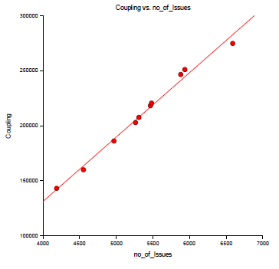
S No. | Name of Package | value of R-Squared | Graph | statistical significance
1 | HDFS Project | 0.989 |  | This is a strong positive correlation between Coupling and no of issues as the value for R-Squared is 0.9890. A significance test that the slope is zero resulted in a t-value of 26.8793. The significance level of this t-test is 0.0000. Since 0.0000 < 0.0500, thus, the hypothesis that the slope is zero is rejected.

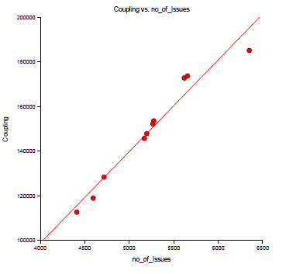
2 | Common Project | 0.9525 |  | This is a strong positive correlation between Coupling and no of issues as the value for R-Squared is 0.9525. A significance test that the slope is zero resulted in a t-value of 12.6677. The significance level of this t-test is 0.0000. Since 0.0000 < 0.0500, thus, the hypothesis that the slope is zero is rejected.

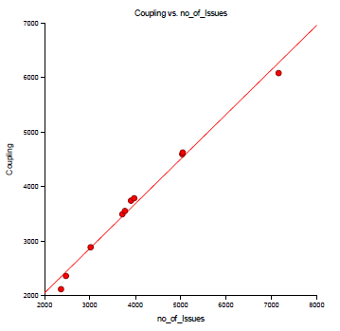
3 | -yarn-project | 0.9886 |  | This is a strong positive correlation between Coupling and no of issues as the value for R-Squared is 0.9886. A significance test that the slope is zero resulted in a t-value of 26.2881. The significance level of this t-test is 0.0000. Since 0.0000 < 0.0500, thus, the hypothesis that the slope is zero is rejected.

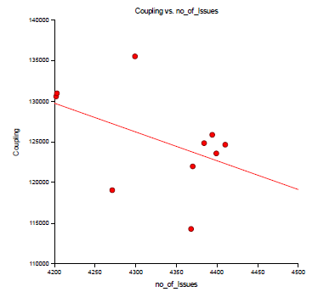
4 | -mapreduce | 0.2141 |  | This is a weak negative correlation(the nearer the value is to zero, the weaker the relationship) between Coupling and no of issues as the value for R-Squared is 0.2141. A significance test that the slope is zero resulted in a t-value of -1.4763. The significance level of this t-test is 0.1781. Since 0.1781 > 0.0500, thus, the hypothesis that the slope is zero is not rejected.

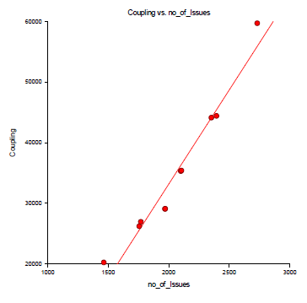
5 | Tools | 0.9567 |  | This is a strong positive correlation between Coupling and no of issues as the value for R-Squared is 0.9567. A significance test that the slope is zero resulted in a t-value of 13.2887. The significance level of this t-test is 0.0000. Since 0.0000 < 0.0500, thus, the hypothesis that the slope is zero is rejected.

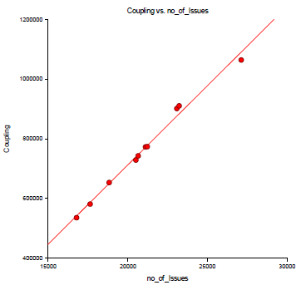
6 | Overall Project(Version Level) | 0.99 |  | This is a strong positive correlation between Coupling and no of issues as the value for R-Squared is 0.9900. A significance test that the slope is zero resulted in a t-value of 28.2042. The significance level of this t-test is 0.0000. Since 0.0000 < 0.0500, thus, the hypothesis that the slope is zero is rejected.

Hypothesis 3 :

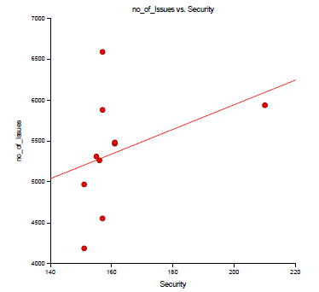
S No. | Name of Package | value of R-Squared | Graph | statistical significance
1 | HDFS Project | 0.1427 |  | This is a weak negative correlation(the nearer the value is to zero, the weaker the relationship) between no of issues and security as the value for R-Squared is 0.1427. A significance test that the slope is zero resulted in a t-value of -1.1541. The significance level of this t-test is 0.2818. Since 0.2818 > 0.0500, thus, the hypothesis that the slope is zero is not rejected.

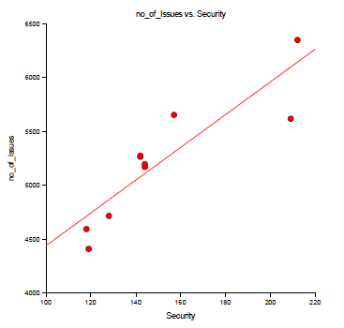
2 | Common Project | 0.7898 |  | This is a strong positive correlation between no of issues and security as the value for R-Squared is 0.7898. A significance test that the slope is zero resulted in a t-value of 5.4833. The significance level of this t-test is 0.0006. Since 0.0006 < 0.0500, thus, the hypothesis that the slope is zero is rejected.

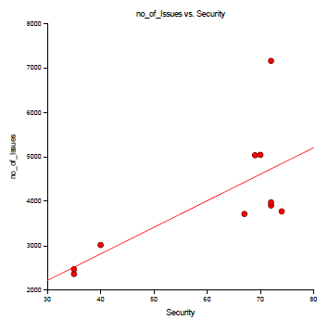
3 | -yarn-project | 0.4898 |  | This is a strong positive correlation between no of issues and security as the value for R-Squared is 0.4898. A significance test that the slope is zero resulted in a t-value of 2.7713. The significance level of this t-test is 0.0000. Since 0.0242. < 0.0500, thus, the hypothesis that the slope is zero is rejected.

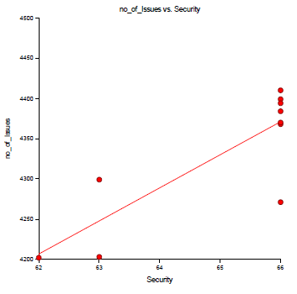
4 | -mapreduce | 0.6964 |  | This is a strong positive correlation betweenno of issues and security as the value for R-Squared is 0.6964. A significance test that the slope is zero resulted in a t-value of 4.2833. The significance level of this t-test is 0.0027. Since 0.0027 < 0.0500, thus, the hypothesis that the slope is zero is rejected.

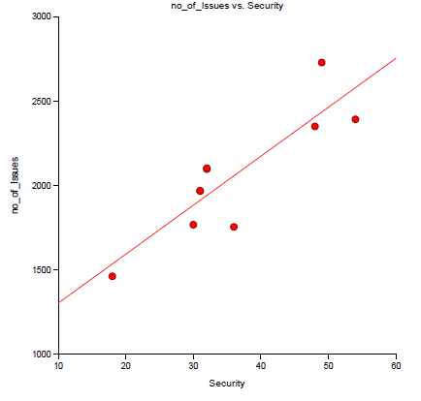
5 | Tools | 0.7566
 |  |  |  | This is a strong positive correlation between no of issues and security as the value for R-Squared is 0.7566. A significance test that the slope is zero resulted in a t-value of 4.9869. The significance level of this t-test is 0.0000. Since 0.0011 < 0.0500, thus, the hypothesis that the slope is zero is rejected.

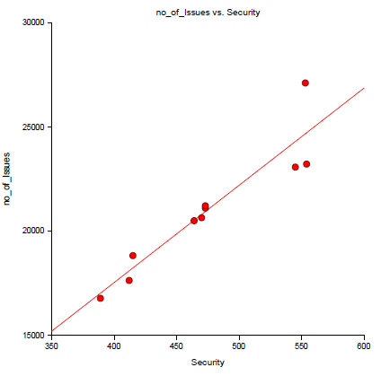
 |  |  |  | This is a strong positive correlation between no of issues and security as the value for R-Squared is 0.8708. A significance test that the slope is zero resulted in a t-value of 7.3420. The significance level of this t-test is 0.0001. Since 0.0001 < 0.0500, thus, the hypothesis that the slope is zero is rejected.
6 | Overall Project(Version Level) | 0.8708

Hypothesis 4 :

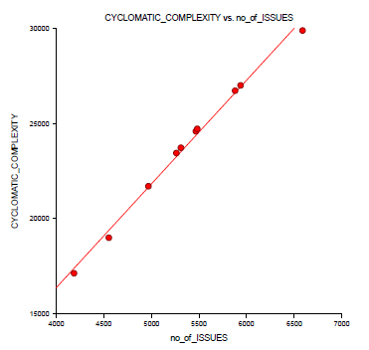
S No. | Name of Package | value of R-Squared | Graph | statistical significance
1 | HDFS Project | 0.9938 |  | This is a strong positive correlation between CYCLOMATIC_COMPLEXITY and no of issues as the value for R-Squared is 0.9938. A significance test that the slope is zero resulted in a t-value of 35.9176. The significance level of this t-test is 0.0000. Since 0.0000 < 0.0500, thus, the hypothesis that the slope is zero is rejected.

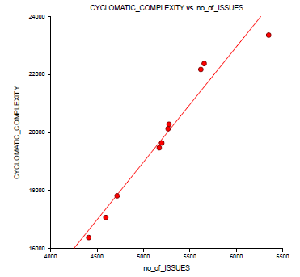
2 | Common Project | 0.9502 |  | This is a strong positive correlation between CYCLOMATIC_COMPLEXITY and no of issues as the value for R-Squared is 0.9502. A significance test that the slope is zero resulted in a t-value of 12.3613. The significance level of this t-test is 0.0000. Since 0.0000 < 0.0500, thus, the hypothesis that the slope is zero is rejected.

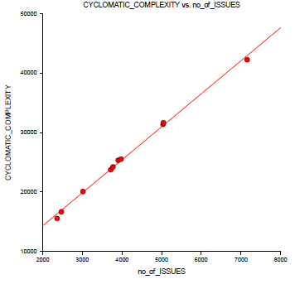
3 | -yarn-project | 0.997 |  | This is a strong positive correlation between CYCLOMATIC_COMPLEXITY and no of issues as the value for R-Squared is 0.9970. A significance test that the slope is zero resulted in a t-value of 51.3925. The significance level of this t-test is 0.0000. Since 0.0000 < 0.0500, thus, the hypothesis that the slope is zero is rejected.

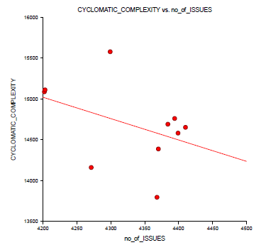
4 | -mapreduce | 0.1733 |  | This is a weak negative correlation(the nearer the value is to zero, the weaker the relationship) between CYCLOMATIC_COMPLEXITY and no of issues as the value for R-Squared is 0.1733. A significance test that the slope is zero resulted in a t-value of -1.2951. The significance level of this t-test is 0.2314. Since 0.2314 > 0.0500, thus, the hypothesis that the slope is zero is not rejected.

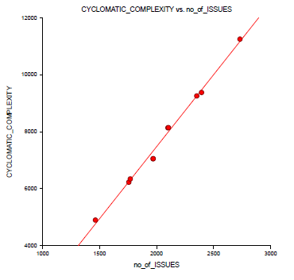
5 | Tools | 0.9927 |  | This is a strong positive correlation between CYCLOMATIC_COMPLEXITY and no of issues as the value for R-Squared is 0.9927. A significance test that the slope is zero resulted in a t-value of 33.0219. The significance level of this t-test is 0.0000. Since 0.0000 < 0.0500, thus, the hypothesis that the slope is zero is rejected.

6 | Overall Project(Version Level) | 0.9936 |  | This is a strong positive correlation between CYCLOMATIC_COMPLEXITY and no of issues as the value for R-Squared is 0.9936. A significance test that the slope is zero resulted in a t-value of 35.2119. The significance level of this t-test is 0.0000. Since 0.0000 < 0.0500, thus, the hypothesis that the slope is zero is rejected.

Hypothesis 5 :

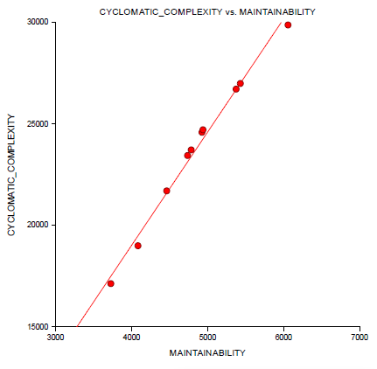
S No. | Name of Package | value of R-Squared | Graph | statistical significance
1 | HDFS Project | 0.9895 |  | This is a strong positive correlation between CYCLOMATIC_COMPLEXITY and MAINTAINABILITY as the value for R-Squared is 0.9895 A significance test that the slope is zero resulted in a t-value of 27.5154. The significance level of this t-test is 0.0000. Since 0.0000 < 0.0500, thus, the hypothesis that the slope is zero is rejected.

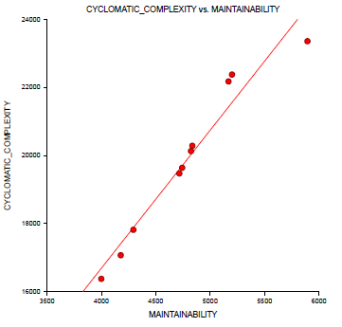
2 | Common Project | 0.9475 |  | This is a strong positive correlation between CYCLOMATIC_COMPLEXITY and MAINTAINABILITY as the value for R-Squared is 0.9475 A significance test that the slope is zero resulted in a t-value of 12.0130. The significance level of this t-test is 0.0000. Since 0.0000 < 0.0500, thus, the hypothesis that the slope is zero is rejected.

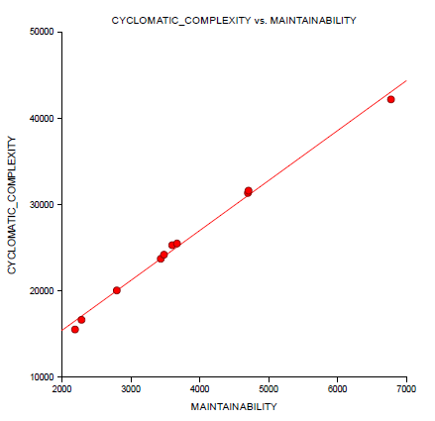
3 | -yarn-project | 0.9949 |  | This is a strong positive correlation between CYCLOMATIC_COMPLEXITY and MAINTAINABILITY as the value for R-Squared is 0.9949 A significance test that the slope is zero resulted in a t-value of 39.3975. The significance level of this t-test is 0.0000. Since 0.0000 < 0.0500, thus, the hypothesis that the slope is zero is rejected.

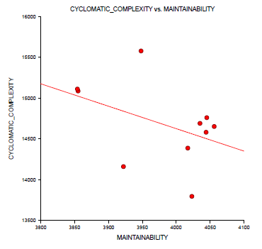
4 | -mapreduce | 0.1855 |  | This is a strong positive correlation between CYCLOMATIC_COMPLEXITY and MAINTAINABILITY as the value for R-Squared is 0.1855 A significance test that the slope is zero resulted in a t-value of -1.3498 The significance level of this t-test is 0.0000. Since 0.0000 < 0.0500, thus,the hypothesis that the slope is zero is not rejected.

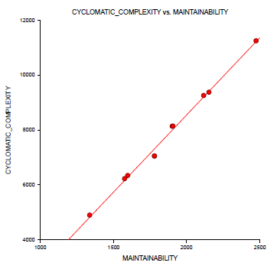
5 | Tools | 0.9939 |  | This is a strong positive correlation between CYCLOMATIC_COMPLEXITY and MAINTAINABILITY as the value for R-Squared is 0.9939 A significance test that the slope is zero resulted in a t-value of 35.9854 The significance level of this t-test is 0.0000. Since 0.0000 < 0.0500, thusthe hypothesis that the slope is zero is rejected.

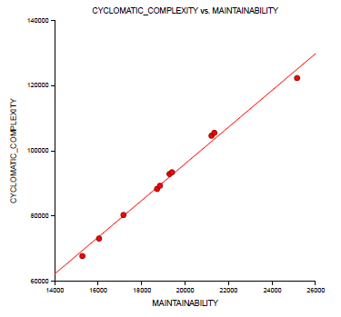
6 | Overall Project(Version Level) | 0.9959 |  | This is a strong positive correlation between CYCLOMATIC_COMPLEXITY and MAINTAINABILITY as the value for R-Squared is 0.9959 A significance test that the slope is zero resulted in a t-value of 31.2915 The significance level of this t-test is 0.0000. Since 0.0000 < 0.0500, thusthe hypothesis that the slope is zero is rejected.

